Wrong Csg Tally
 |  |  | Cementing |  |  |  |  | Cementing |  |  |  | Drilling Next Section
 |  |  | Theoritical |  |  |  |  | Wrong Casing Tally
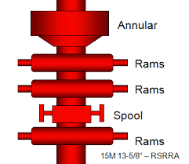

TOC
 | 5500 ft-MD |  |  |  | 13-3/8" casing, |  | TOC |  |  |  | TOC
 |  |  |  |  | 68 ppf, L-80 |  |  |  |  | Lower TOC
 |  |  |  |  | Premium Connection
 |  |  |  |  |  | 6000 ft-TVD

 |  |  |  |  |  |  |  |  | Higher FC Depth
 |  |  |  |  |  |  |  | O
 |  | 9700 ft-MD |  | 9-5/8" casing, 47 ppf, L-80 |  |  |  | O |  |  |  |  | Higher Shoe Depth
 |  |  |  | Premium Connection
 |  |  | O |  |  |  |  |  |  |  |  |  |  | Long
 |  | 10000 ft-MD | O | Tail Cement |  |  |  |  |  |  |  |  |  | Bigger size pocket
 |  |  |  | = 15.8 ppg

Casing P Test
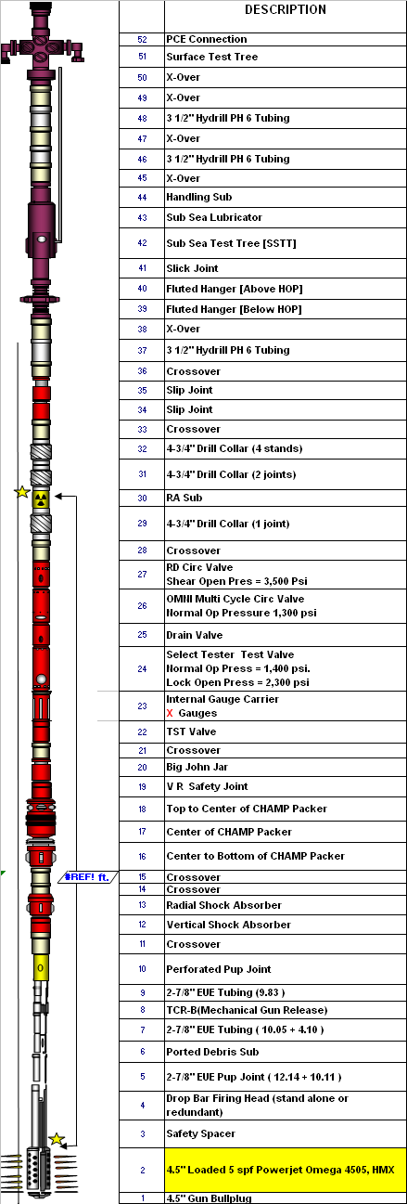
 |  |  | Cementing |  |  |  |  | Pressure Test Casing |  |  | LOT | Gas To Surface | Hydro Fracturing | Set Production Packer |  | Well DST |  | Pressure Test Casing |  | Pressure Test Casing
 |  |  | Pressure Test after Bump Plug

 |  |  |  |  |  |  | P. Test
 |  |  |  |  |  |  | 4000 psi

TOC |  |  |  |  | 13-3/8" casing,
 | 5500 ft-TVD |  |  |  | 68 ppf, L-80
 |  |  |  |  | NSCC Connection
 |  |  |  |  |  | 6000 ft-TVD |  |  |  | 6000 ft-TVD

 |  |  |  |  |  |  |  |  |  |  |  |  |  |  |  |  | OMNI
 |  |  | MW | Lead Cement |  |  |  |  | MW prior to drill |  |  |  |  |  |  |  | Multi Cicle |  | MW = 9.3 ppg |  | MW = 12.5 ppg
 |  |  | 9.5 ppg | = 12.8 ppg |  |  |  |  | MW = 10.3 ppg |  |  |  |  |  |  |  | Valve
 |  |  |  |  |  |  |  |  |  |  |  |  |  |  | Set Packer

 |  |  |  |  |  |  |  |  |  |  |  |  | Fracturing
 |  |  |  |  |  |  |  |  |  |  |  |  | Fluid

 |  | 9700 ft-TVD |  | 9-5/8" casing, 47 ppf, L-80
 |  |  |  | NSCC Connection
 |  |  | O |  |  |  |  | O |  |  |  |  | O | O |  | O |  | O |  | O
 |  | 10000 ft-TVD | O | Tail Cement |  |  |  | O |  |  |  |  | O | O |  | O |  | O |  | O
 |  |  |  | = 15.8 ppg |  |  |  |  |  |  | 3 m
 |  |  |  |  |  |  |  |  |  |  | New
 |  |  |  |  |  |  |  |  |  |  | Hole

Burst Load-1
 |  |  |  |  |  |  |  |  |  |  |  |  |  |  |  |  |  |  |  |  |  |  |  |  |  |  |  |  |  |  |  |  |  |  |  |  |  |  |  |  |  |  |  |  |  |  |  |  |  |  | Gas Kick |  |  |  |  |  |  |  |  |  |  |  | Annular Pressure
 |  |  | Cementing |  |  |  |  |  |  |  |  |  |  |  |  |  |  |  | Cementing |  |  |  |  |  |  |  |  |  |  |  |  |  |  | Pressure Test Casing |  |  |  |  |  |  |  |  |  |  |  |  |  |  | Leak Off Test |  | Frac at Shoe |  | Gas To Surface |  | Hydro Fracturing |  | Set Production Packer |  |  | Tubing Leak |  |  | Build Up |  |  | Well DST |  |  | Pressure Test Casing |  | Pressure Test Casing
 |  |  | Pump Cement Slurry |  |  |  |  |  |  |  |  |  |  |  |  |  |  |  | Pressure Test after Bump Plug

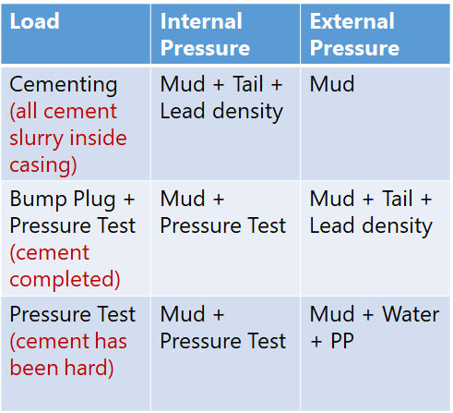
 |  |  |  |  |  |  |  |  |  |  |  |  |  |  |  |  |  |  |  |  |  |  |  |  |  |  |  |  |  |  |  | Csg Grade |  |  |  |  |  |  |  |  |  |  |  |  |  |  | Csg Grade
 |  |  |  |  |  |  |  |  |  |  |  |  |  |  |  |  |  |  |  |  |  |  |  | Internal |  |  | External |  |  |  | Net | 36#L80 | SF |  |  |  |  | Internal |  |  | External |  |  |  |  |  | 36#L80 | SF
 |  |  |  |  |  |  | ft-TVD |  |  | Internal | External | Net | Cement Volume |  |  |  |  |  |  |  |  |  | ft-TVD | Mud | P. Test | Total |  |  |  | Total |  |  |  |  |  |  | ft-TVD | Mud | P. Test | Total |  |  |  |  | Total | Net
 |  |  |  |  |  |  | 0 |  |  | 0 | 0 | 0 | 6.0 |  | Shoe track |  |  |  |  |  |  |  | 0 | 0 | 4000 | 4000 | 0 |  |  | 0 | 4000 | 5120 | 1.28 |  |  |  | 0 | 0 | 4000 | 4000 | 0 |  |  |  | 0 | 4000 | 5120 | 1.28
 |  |  |  |  |  |  | 500 |  |  | 437 | 437 | 0 | 262.2 | 131 | OH |  |  |  |  |  |  |  | 500 | 437 | 4000 | 4437 | 437 |  |  | 437 | 4000 | 5120 | 1.28 |  |  |  | 500 | 437 | 4000 | 4437 | 437 |  |  |  | 437 | 4000 | 5120 | 1.28
 |  |  |  |  |  |  | 1000 |  |  | 874 | 874 | 0 | 18.0 |  | CH |  |  |  |  |  |  |  | 1000 | 874 | 4000 | 4874 | 874 |  |  | 874 | 4000 | 5120 | 1.28 |  |  |  | 1000 | 874 | 4000 | 4874 | 874 |  |  |  | 874 | 4000 | 5120 | 1.28
 |  |  | MW |  |  |  | 1500 |  |  | 1310 | 1310 | 0 | 417.2 |  | Bbls |  |  |  |  |  |  |  | 1500 | 1310 | 4000 | 5310 | 1310 |  |  | 1310 | 4000 | 5120 | 1.28 |  |  |  | 1500 | 1310 | 4000 | 5310 | 1310 |  |  |  | 1310 | 4000 | 5120 | 1.28
 |  |  | 16.8 ppg |  |  |  | 2000 |  |  | 1747 | 1747 | 0 | 0.07438 |  | bbl/ft |  |  |  |  |  |  |  | 2000 | 1747 | 4000 | 5747 | 1747 |  |  | 1747 | 4000 | 5120 | 1.28 |  |  |  | 2000 | 1747 | 4000 | 5747 | 1747 |  |  |  | 1747 | 4000 | 5120 | 1.28
 |  |  |  |  |  |  | 2500 |  |  | 2184 | 2184 | 0 | 5609.7 |  | ft cement |  |  |  |  |  |  |  | 2500 | 2184 | 4000 | 6184 | 2184 |  |  | 2184 | 4000 | 5120 | 1.28 |  |  |  | 2500 | 2184 | 4000 | 6184 | 2184 |  |  |  | 2184 | 4000 | 5120 | 1.28
 |  |  |  |  |  |  | 3000 |  |  | 2621 | 2621 | 0 | 4390.3 |  | ft Mud |  |  |  |  |  |  |  | 3000 | 2621 | 4000 | 6621 | 2621 |  |  | 2621 | 4000 | 5120 | 1.28 |  |  |  | 3000 | 2621 | 4000 | 6621 | 2621 |  |  |  | 2621 | 4000 | 5120 | 1.28
 |  |  |  |  |  |  | 3500 |  |  | 3058 | 3058 | 0 |  |  |  |  |  |  |  |  |  |  | 3500 | 3058 | 4000 | 7058 | 3058 |  |  | 3058 | 4000 | 5120 | 1.28 |  |  |  | 3500 | 3058 | 4000 | 7058 | 3058 |  |  |  | 3058 | 4000 | 5120 | 1.28
TOC |  |  |  |  | 13-3/8" casing, |  | 4000 |  |  | 3494 | 3494 | 0 |  |  |  | TOC |  |  |  |  | 13-3/8" casing, |  | 4000 | 3494 | 4000 | 7494 | 3494 |  |  | 3494 | 4000 | 5120 | 1.28 |  |  |  | 4000 | 3494 | 4000 | 7494 | 3494 |  |  |  | 3494 | 4000 | 5120 | 1.28
 | 5000 ft-TVD |  | Single slurry |  | 68 ppf, L-80 |  | 4390.3 |  |  | 3835 | 3835 | 0 |  |  |  |  | 5000 ft-TVD |  |  |  | 68 ppf, L-80 |  | 4500 | 3931 | 4000 | 7931 | 3931 |  |  | 3931 | 4000 | 5120 | 1.28 |  |  | 5000 ft | 4500 | 3931 | 4000 | 7931 | 3931 |  |  |  | 3931 | 4000 | 5120 | 1.28
 |  |  | 16.5 ppg |  |  |  | 4500 | 109.7 | 94.133024315 | 3929 | 3931 | -2 |  |  |  |  |  |  |  |  |  |  | 5000 | 4368 | 4000 | 8368 | 4368 | Cmt height | Press | 4368 | 4000 | 5120 | 1.28 |  |  |  | 5000 | 4368 | 4000 | 8368 | 4368 |  |  |  | 4368 | 4000 | 5120 | 1.28
 |  |  |  |  |  | 5300 ft-TVD | 5000 | 609.7 | 523.13302431 | 4358 | 4368 | -10 |  |  |  |  |  |  |  |  |  | 5300 ft-TVD | 5500 | 4805 | 4000 | 8805 |  | 500 | 429 | 4797 | 4008 | 5120 | 1.28 |  |  | 5300 ft-TVD | 5300 | 4630 | 4000 | 8630 |  | 300 | 129.9 |  | 4498 | 4132 | 5120 | 1.24 |  | 5300 ft-TVD |  | 5300 ft-TVD |  | 5300 ft-TVD |  | 5300 ft-TVD |  |  | 5300 ft-TVD |  |  | 5300 ft-TVD |  |  | 5300 ft-TVD |  |  | 5300 ft-TVD
 |  |  |  |  |  |  | 5500 | 1109.7 | 952.13302431 | 4787 | 4805 | -17 |  |  |  |  |  |  |  |  |  |  | 6000 | 5242 | 4000 | 9242 |  | 1000 | 858 | 5226 | 4016 | 5120 | 1.28 |  |  |  | 6000 | 5242 | 4000 | 9242 |  | 700 |  |  |  |  | 5120
 |  |  |  |  |  |  | 6000 | 1609.7 | 1381.1330243 | 5216 | 5242 | -25 |  |  |  |  |  |  |  |  |  |  | 6500 | 5678 | 4000 | 9678 |  | 1500 | 1287 | 5655 | 4023 | 5120 | 1.27 |  |  |  | 6500 | 5678 | 4000 | 9678 |  | 1200 |  |  |  |  | 5120 |  |  |  |  |  |  |  |  |  |  |  |  |  |  |  |  |  |  |  | OMNI
 |  |  |  |  |  |  | 6500 | 2109.7 | 1810.1330243 | 5645 | 5678 | -33 |  |  |  |  |  |  | MW | Lead Cement |  |  | 7000 | 6115 | 4000 | 10115 |  | 2000 | 1716 | 6084 | 4031 | 5120 | 1.27 |  | MW prior to drill |  | 7000 | 6115 | 4000 | 10115 |  | 1700 |  |  |  |  | 5120 |  |  |  |  |  |  |  |  |  |  |  |  |  |  |  |  |  |  |  | Multi Cicle |  |  | MW = 9.3 ppg |  | MW = 12.5 ppg
 |  |  |  |  |  |  | 7000 | 2609.7 | 2239.1330243 | 6074 | 6115 | -41 |  |  |  |  |  |  | 16.8 ppg | = 12.8 ppg |  |  | 7500 | 6552 | 4000 | 10552 |  | 2500 | 2145 | 6513 | 4039 | 5120 | 1.27 |  | MW = 10.3 ppg |  | 7500 | 6552 | 4000 | 10552 |  | 2200 |  |  |  |  | 5120 |  |  |  |  |  |  |  |  |  |  |  |  |  |  |  |  |  |  |  | Valve
 |  |  |  |  |  |  | 7500 | 3109.7 | 2668.1330243 | 6503 | 6552 | -49 |  |  |  |  |  |  |  |  |  |  | 8000 | 6989 | 4000 | 10989 |  | 3000 | 2574 | 6942 | 4047 | 5120 | 1.27 |  |  |  | 8000 | 6989 | 4000 | 10989 |  | 2700 |  |  |  |  | 5120 |  |  |  |  |  |  |  |  |  |  | Set Packer |  |  | Set Packer |  |  | Set Packer
 |  |  |  |  |  |  | 8000 | 3609.7 | 3097.1330243 | 6932 | 6989 | -56 |  |  |  |  |  |  |  |  |  |  | 8500 | 7426 | 4000 | 11426 |  | 3500 | 3003 | 7371 | 4055 | 5120 | 1.26 |  |  |  | 8500 | 7426 | 4000 | 11426 |  | 3200 |  |  |  |  | 5120
 |  |  |  |  |  |  | 8500 | 4109.7 | 3526.1330243 | 7361 | 7426 | -64 |  |  |  |  |  |  |  |  |  |  | 9000 | 7862 | 4000 | 11862 |  | 4000 | 3432 | 7800 | 4062 | 5120 | 1.26 |  |  |  | 9000 | 7862 | 4000 | 11862 |  | 3700 |  |  |  |  | 5120 |  |  |  |  |  |  |  | Fracturing
 |  |  |  |  |  |  | 9000 | 4609.7 | 3955.1330243 | 7790 | 7862 | -72 |  |  |  |  |  |  |  |  |  |  | 9500 | 8299 | 4000 | 12299 |  | 4500 | 3861 | 8229 | 4070 | 5120 | 1.26 |  |  |  | 9500 | 8299 | 4000 | 12299 |  | 4200 |  |  |  |  | 5120 |  |  |  |  |  |  |  | Fluid
 |  |  |  |  |  |  | 9500 | 5109.7 | 4384.1330243 | 8219 | 8299 | -80 |  |  |  |  |  |  |  |  |  |  | 10000 | 8736 | 4000 | 12736 |  | 5000 | 4290 | 8658 | 4078 | 5120 | 1.26 |  |  |  | 10000 | 8736 | 4000 | 12736 |  | 4700 | 3959.3 | 8424 | 8457 | 4279 | 5120 | 1.20
 |  | 9850 ft-TVD |  | 9-5/8" casing |  |  | 10000 | 5609.7 | 4813.1330243 | 8648 | 8736 | -88 |  |  |  |  |  |  |  | 9-5/8" casing

 |  |  | O |  |  |  |  |  |  |  |  |  |  |  |  |  |  |  | O |  |  |  |  |  |  |  |  |  |  |  |  |  |  | O |  |  |  |  |  |  |  |  |  |  |  |  |  |  |  |  |  |  |  |  |  |  |  |  |  |  |  |  |  |  |  |  |  |  | O |  | O
 |  | 10000 ft-TVD | O |  |  |  |  |  |  |  |  |  |  |  |  |  |  | 10000 ft-TVD | O | Tail Cement |  |  |  |  |  |  |  |  |  |  |  |  |  | O |  |  |  |  |  |  |  |  |  |  |  |  |  |  |  |  |  |  |  |  |  |  |  |  |  |  |  |  |  |  |  |  |  |  | O |  | O
 |  |  |  |  |  |  |  |  |  |  |  |  |  |  |  |  |  |  |  | = 15.8 ppg |  |  |  |  |  |  |  |  |  |  |  |  |  |  |  |  |  |  |  |  |  |  |  |  |  |  |  |  | 3 m
 |  |  |  |  |  |  |  |  |  |  |  |  |  |  |  |  |  |  |  |  |  |  |  |  |  |  |  |  |  |  |  |  |  |  |  |  |  |  |  |  |  |  |  |  |  |  |  |  | New
 |  |  |  |  |  |  |  |  |  |  |  |  |  |  |  |  |  |  |  |  |  |  |  |  |  |  |  |  |  |  |  |  |  |  |  |  |  |  |  |  |  |  |  |  |  |  |  |  | Hole

